F-BC-PRU-07-01
 |  |  | Format Analysis Diagnostic (FAD) |  |  |  |  | Case Number.- 0528
Section "A": Done by Quality Engineering TEAM, Process/Test Engineering or area which is reporting each failure.
Made by: |  |  | Eduardo Carrillo |  |  | Date: |  | 29-Nov-18
Client / Project: |  |  | Cisco |  |  | Family product: |  | Ares
Flex Part Number: |  |  | CIS-16-4025-01 |  |  | Report #: |  | NA
Assembly Model: |  |  | 73-18817-05 A0 |  |  | SKID #(if is applicable): |  | NA
(MPN): |  | EP2AGX190EF29C5N |  |  |  | Component designation reference: |  | U7_CAF
Supplier: |  | ALTERA |  |  |  | Date Codes & lot #: |  | N/A
Description: |  | ACQ,IC,PLD-FPGA,ARRIA-II GX 190,EP2AGX-5,FBGA780,C-TEMP,Pb-Free,STARENT USE ONLY NO EXCEPTIONS. DOES NOT MEET CISCO RELIABILITY. |  |  |  | Cavity #(Plastics): |  | NA
Failure Impact |  | Line stopped |  | Shipment Stopped | Customer Claim | Station: | Failure details: | Units produced(total):
 |  | Yield reduction |  | First event |  | P2C |  | N/A(Bone Pile Unit)
Failure Type: |  | Electric | Functional |  | Assembly | Other/specify): |  | Units rejected(total):
Class A Class B Class C | New product | Dimenssional |  | Cosmetic | Other
 | Consigned Product | Nota: Incluir estudio dimensional de acuerdo a especificacion.
 | RMA |  |  |  |  |  |  | DPPMs:
Section "B" done by diagnostic(test) area if failure is related to electrical or functional topics. Dimenssional, cosmetic or assembly failures will be done by CFT according with failure mode.
Failure Description.- (For electrical and functional topics, all electrical measures specifing low/upper limits according with component/test specification need to be included, different failure modes shouldn´t be mixed. |  |  |  |  |  |  | How was determinated "this" failure mode?:
 |  |  |  |  |  |  | Doing a component substitution(A-B-A Test).-
Serial #: | PASS/FAIL: | Measure: | Upper limit: | Lower limit: | Failure Details: |  | According with specifications.
FLM222802HJ | FAIL | N/A | N/A | N/A | (Device=CPU_0, Reason=CARD_BOOT_TIMEOUT_EXPIRED, Status=[BOARD: CAFPRGERR ] |  | Functional tests. | CAF_PROGRAMMING_ERROR
 |  |  |  |  |  |  | Note: If a physical inspection is required by QE Team make sure to
 |  |  |  |  |  |  | add results.
 |  |  |  |  |  |  | By dimensions comparison
 |  |  |  |  |  |  | Other (Specify):

 |  |  |  |  |  |  | Made by: | Eduardo Carrillo
 |  |  |  |  |  |  | Shift: | 3
 |  |  |  |  |  |  | Line: | 6

Section "C" done by diagnostic(test) area if failure is related to electrical or functional topics. Dimenssional, cosmetic or assembly failures will be done by CFT according with failure mode.
Failure Mode initial duplicate step: |  |  | CAF_PROGRAMMING_ERROR
Test Station name: |  | P2C
Result: | Fail
Failure description(add another FA or pictures if is necessary):
THE FOLLOWING STEPS FOLLOWED:
1-. The U7_CAF have a failulre to high temperature (45℃).

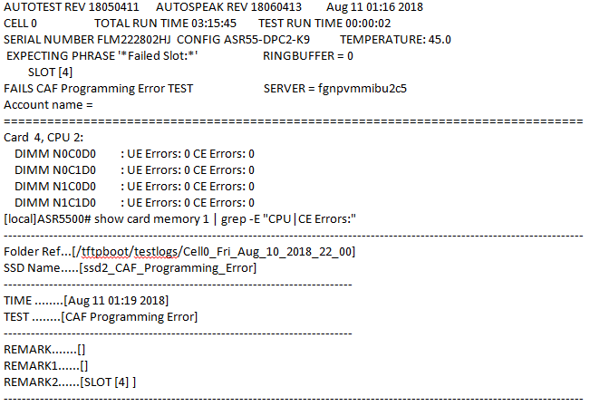

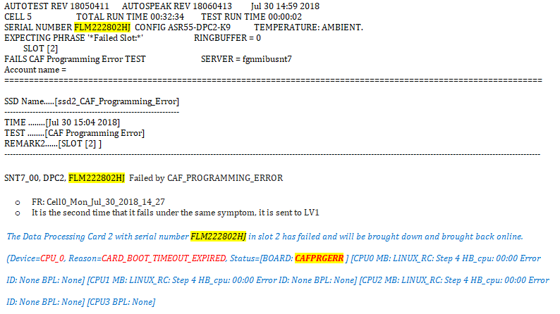

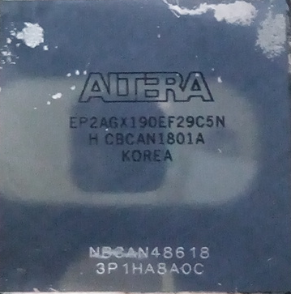
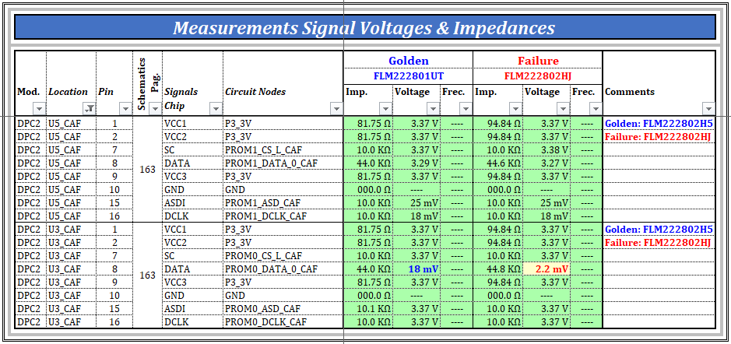

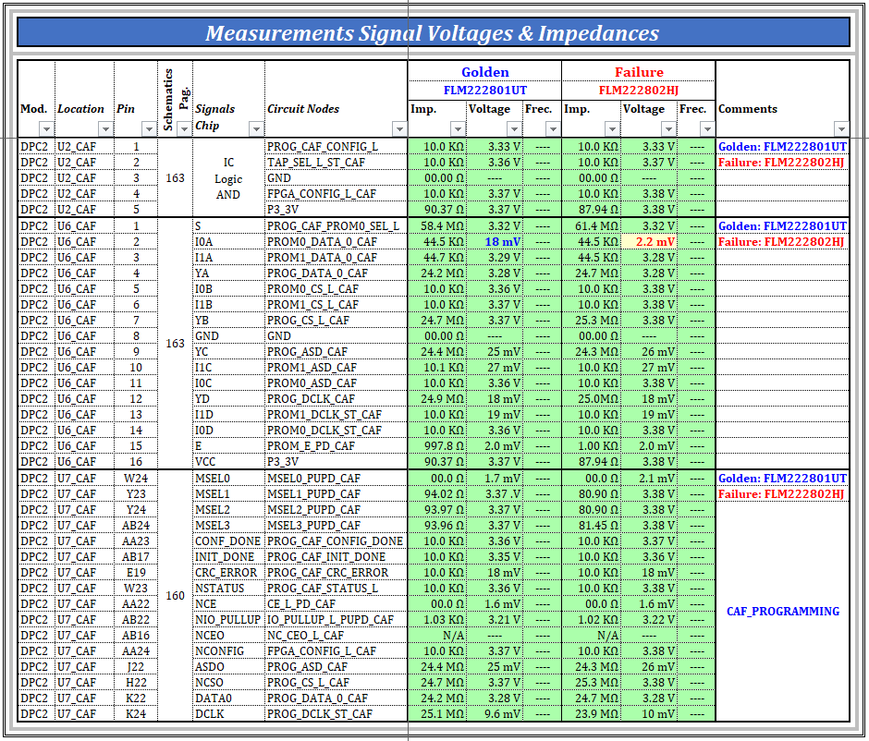

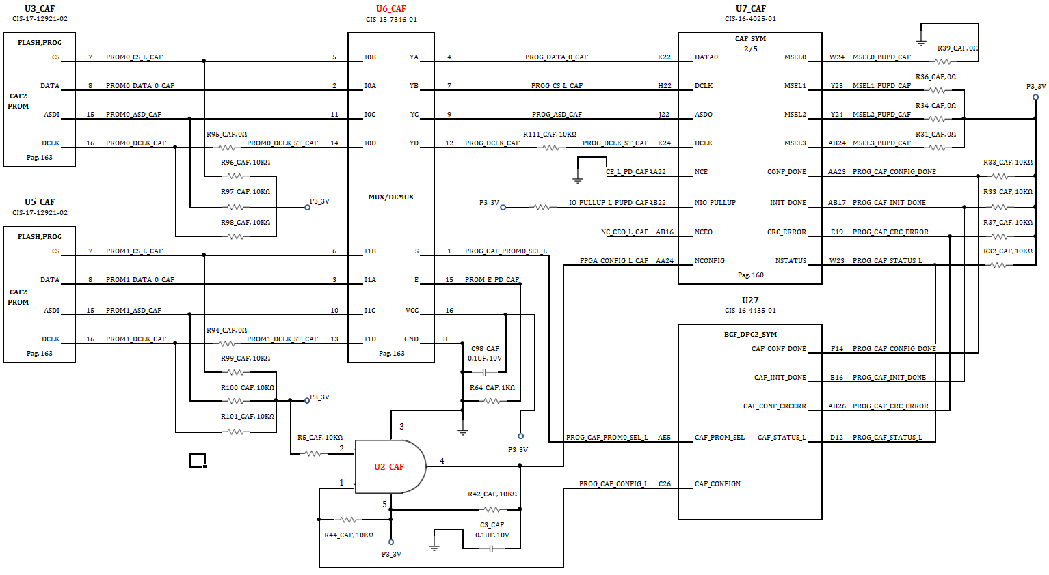

Failure ans repair history:
Day: | Test Station: |  | Failure mode: |  | Debug Technician |  | Retest results <Pass/Fail>/ Is retest "FAIL" include failure information.

29-Nov-18 | P2C |  | CAF_PROGRAMMING_ERROR |  | Eduardo Carrillo |  | FAIL

Comments:

Unit detalis.-

Conclusions: | U7_CAF need to be replaced

F-BC-PRU-07-01 Rev. B July 5, 2016

